D1
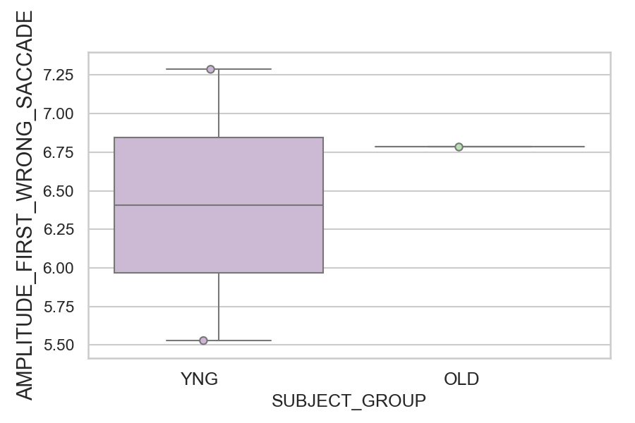
Amplitude of the wrong saccade (degrees) (mean of all trials per subject)
SUBJECT_NAME | SUBJECT_GROUP | SUBJECT_AGE | VALUE
AW001CG | YNG | 19 | 7.2873074002
CP001CTA | OLD | 65 | 6.787149476
AW002AF | YNG | 19 | 5.5278209625

D1 (types)
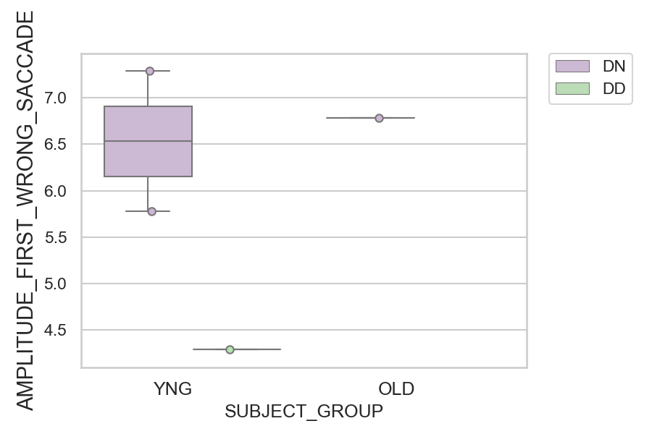
Amplitude of the wrong saccade (degrees) (mean of all trials per subject)
SUBJECT_NAME | SUBJECT_GROUP | CONDITION_APPEARANCE | SUBJECT_AGE | VALUE
AW001CG | YNG | DN | 19 | 7.2873074002
CP001CTA | OLD | DN | 65 | 6.787149476
AW002AF | YNG | DN | 19 | 5.7752083318
AW002AF | YNG | DD | 19 | 4.2908841159
AW001CG | YNG | DD | 19
CP001CTA | OLD | DD | 65

